Assumptions Notes
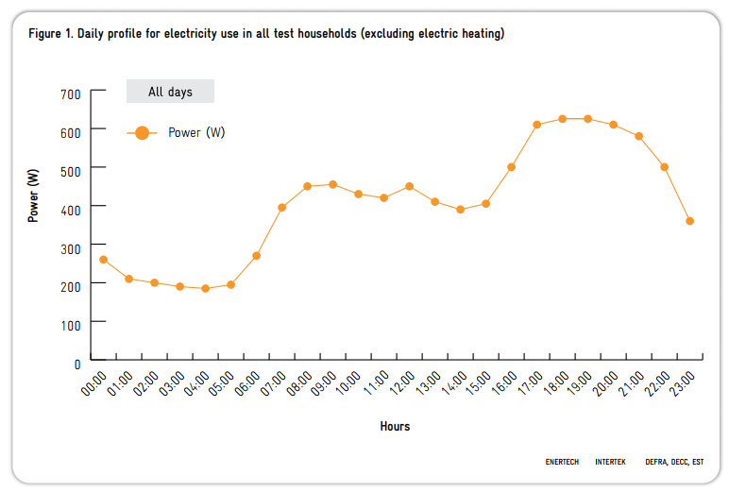
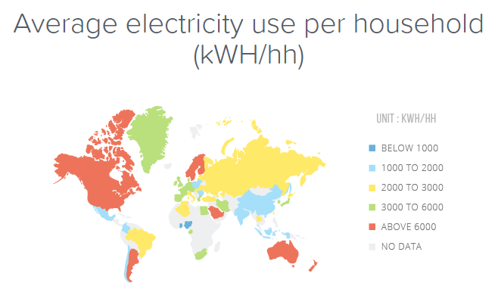
Assumptions
Conservatively use UK consumption amounts | (roughly equal with EU and only half of Australia, US and Canada)
Conservatively use minimum electricity tariff
Daily consumption remains constant year round on average | (seasonal variation is captured in the modelling completed to deliver the daily consumption profile)
Decentralized Market price cap is the domestic solar feed in tariff value | government calculated this is value to make it worthwhile for prosumer to buy system
Household will always have stored energy to sell into the grid when prices are high

Electricity Prices
https://www.solarchoice.net.au/solar-rebates/solar-feed-in-rewards
https://www.aemo.com.au/Electricity/National-Electricity-Market-NEM/Data-dashboard#aggregated-data
Price to Sell Domestic Solar Into Grid | (rate varies between 60 and 120, have taken the worst case 120) | 120.00 | $/Mwah
Fixed Electricity Price from Grid | (this is the lowest of the tariffs for first 11kWh, sliding up to 410) | 360.00 | $/MWh
Maximum Feed Rate into Grid | (How much energy can the connection export into the grid in a set time) | 1.00 | kW/hr

Daily Consumption - Households
http://www.energysavingtrust.org.uk/sites/default/files/reports/PoweringthenationreportCO332.pdf

